工作表1
Moldex3D CAE Report
Project | Assignment-ABS-SINKRAL-F332 - Run01 |  | Date | Sun, 05-11-2023
Remark |  |  | Run ID | Run01
Model
Model | Cuboid78x28x3mm^3 (2).mfe
Part Dimension | 156.00x3.00x98.00 |  | mm x mm x mm
Part Volume | 13.104 |  | cc
Cold Runner Volume | 6.85392 |  | cc
Thickness
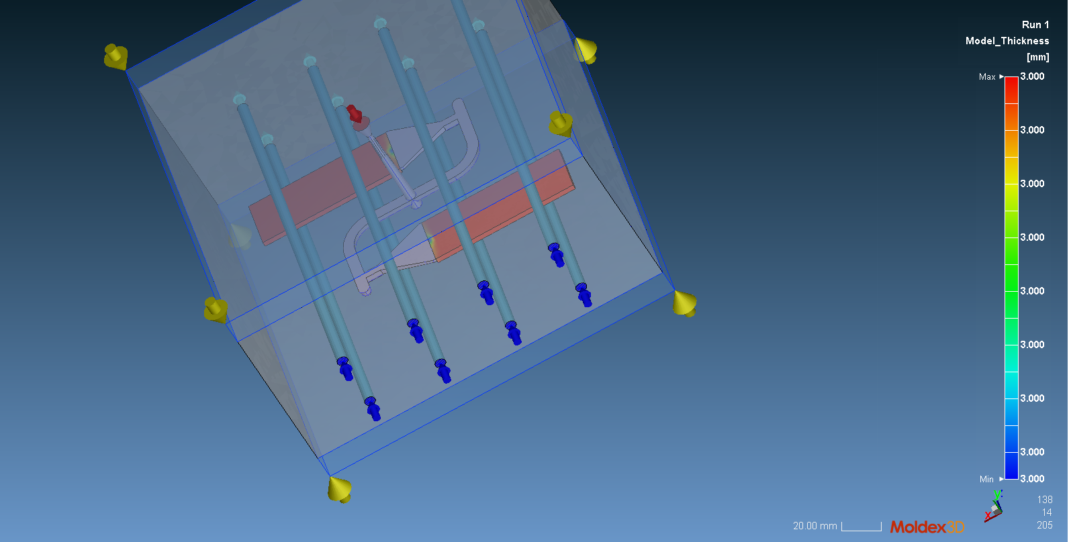 |  |  | 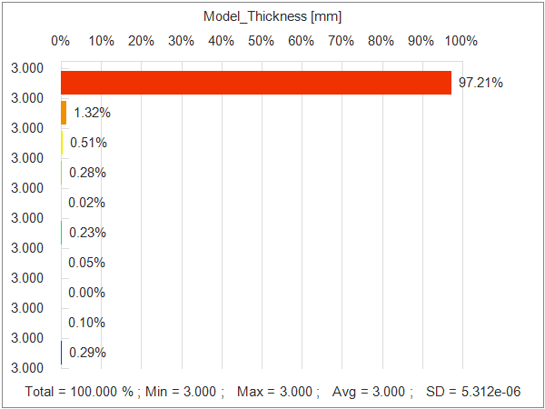
Max | 3 |  | Avg | 3
Min | 3 |  | SD | 0.000005312
Material
Polymer | ABS |  | Grade Name | SINKRAL F332
Producer | Polimeri Europa
Freeze Temperature | 134.85 | °C
Process
Cycle Time | 26.0989 | sec | Max Injection Pressure | 250 | MPa
Filling Time | 0.498948 | sec | Melt Temperature | 250 | °C
Packing Time | 8 | sec | Mold Temperature | 60 | °C
Cooling Time | 12.6 | sec | Ejection Temperature | 114.85 | °C
Mold Open Time | 5 | sec | Air Temperature | 25 | °C
VP Switch | By Volume Filled |  | 98 | %
Process - Injection Pressure Profile

Process - Packing Pressure Profile

Summary
Actual Filling Time |  | 0.524 | sec
Filling_XY_Sprue Pressure |  | 48.515 | MPa
Filling_XY_Clamping Force |  | 22.7 | Ton(m)
Packing_XY_Sprue Pressure |  | 48.515 | MPa
Packing_XY_Clamping Force |  | 22.7 | Ton(m)
Packing_XY_Total Weight |  | 20.325 | g
Packing_XY_Part Weight |  | 6.687 | g
Result
Filling_Melt Front Time |  |  | Packing_XY_Clamping Force
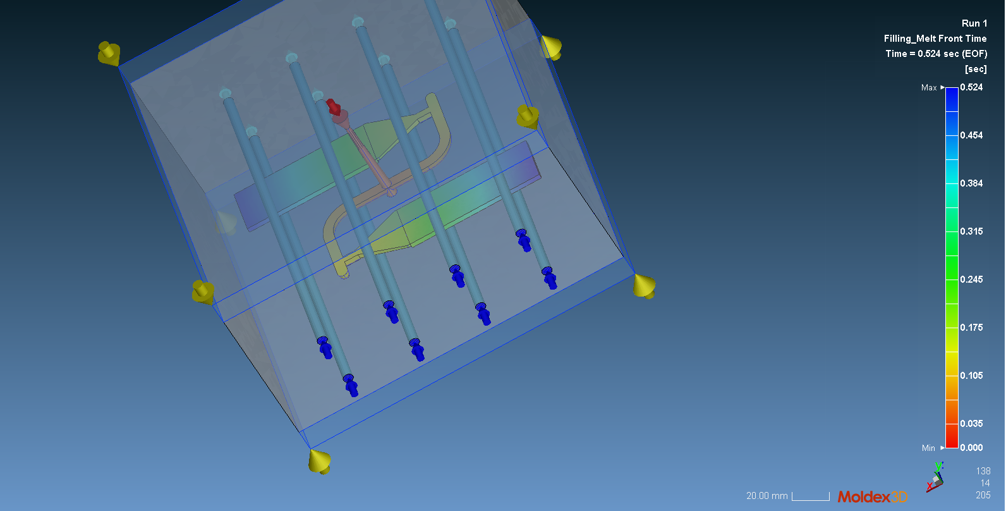 |  |  | 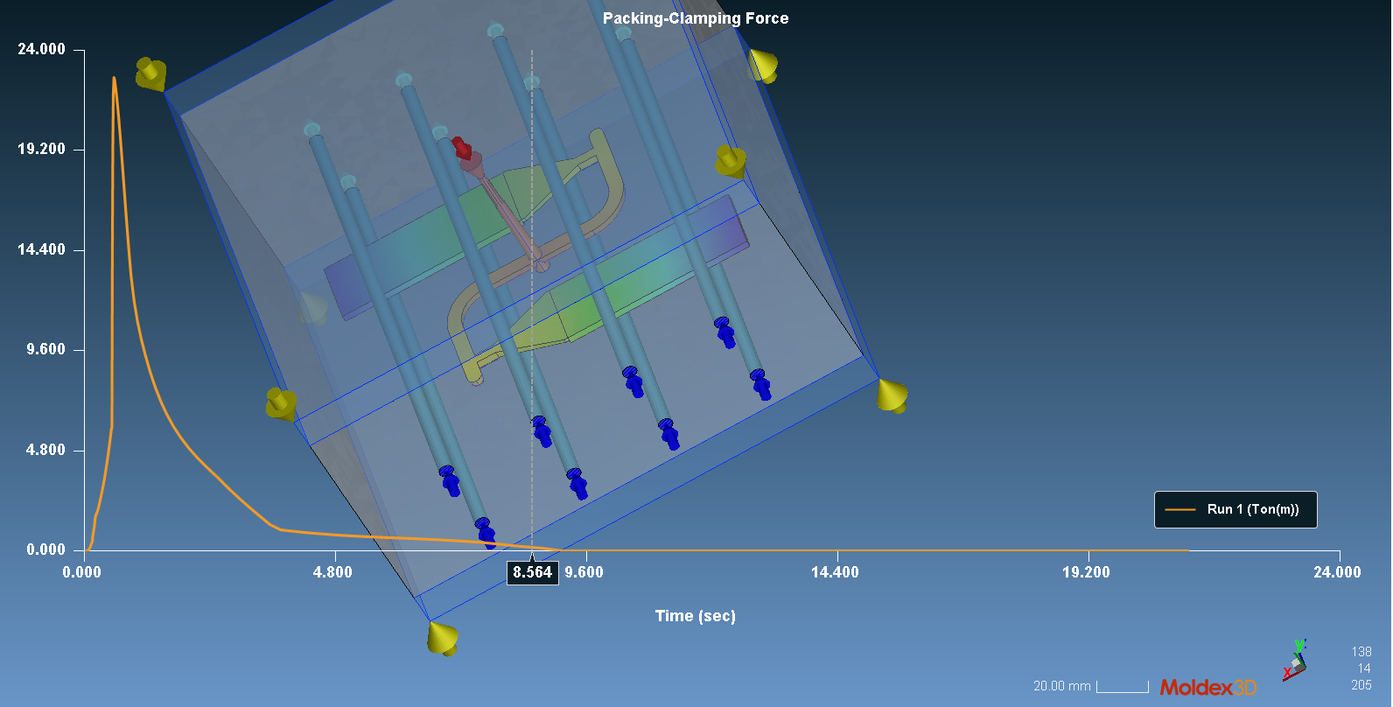
Filling_Weld Line |  |  | Filling_Air Trap
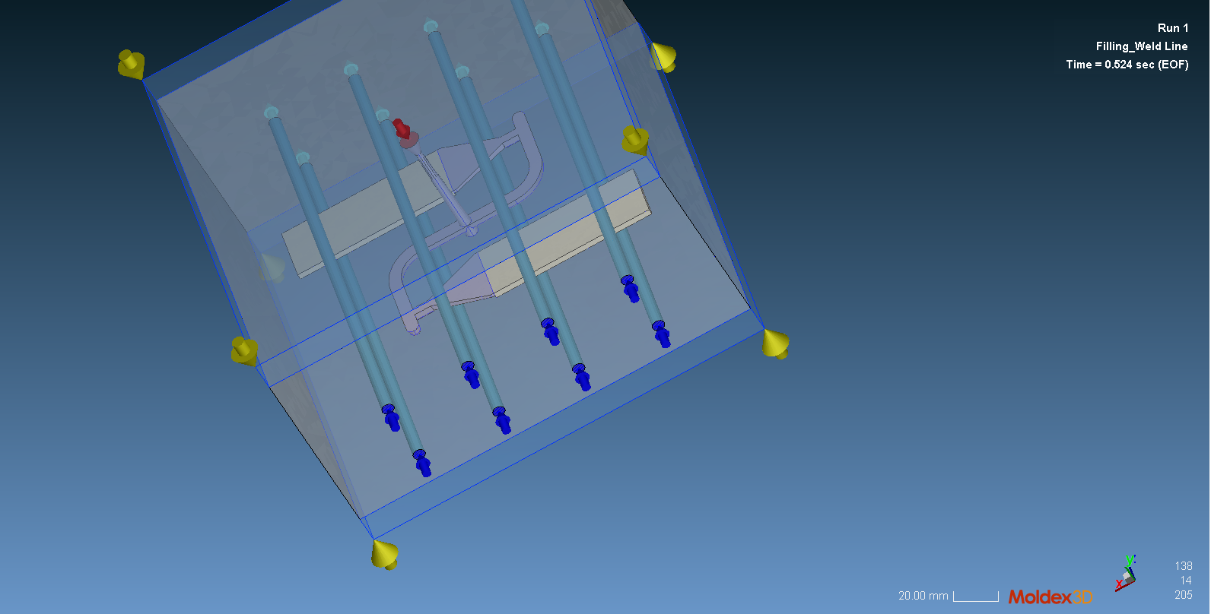 |  |  | 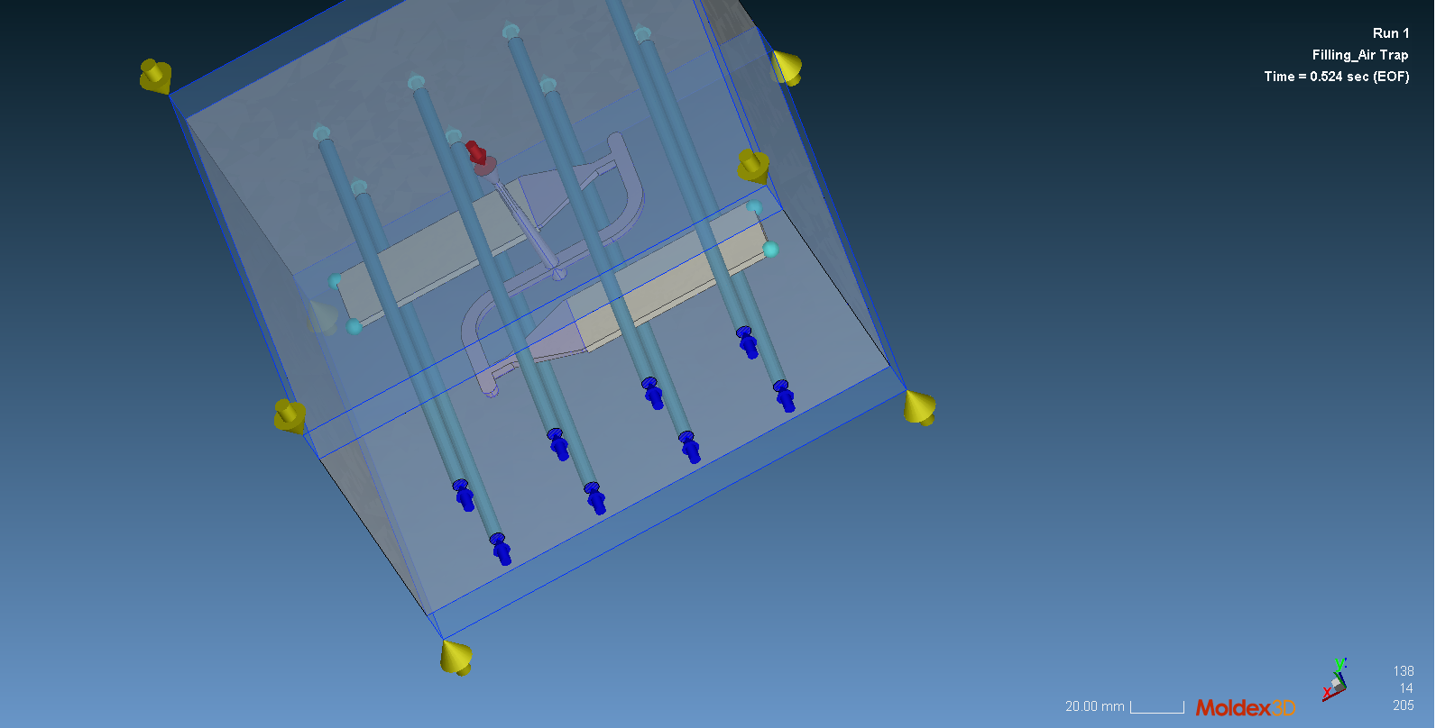
Packing_Temperature |  |  | Packing_Molten Core
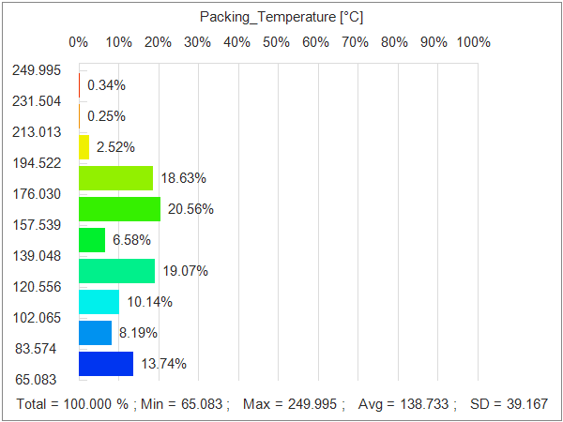 |  |  | 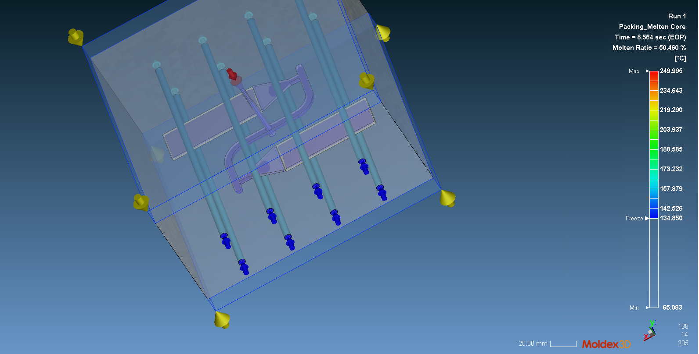
Summary - Warpage
Warpage_Total Displacement |  | 0.006 | mm
Warpage_X-Displacement |  | -0.383 | mm
Warpage_Y-Displacement |  | -0.015 | mm
Warpage_Z-Displacement |  | -0.123 | mm
Warpage_Total Displacement
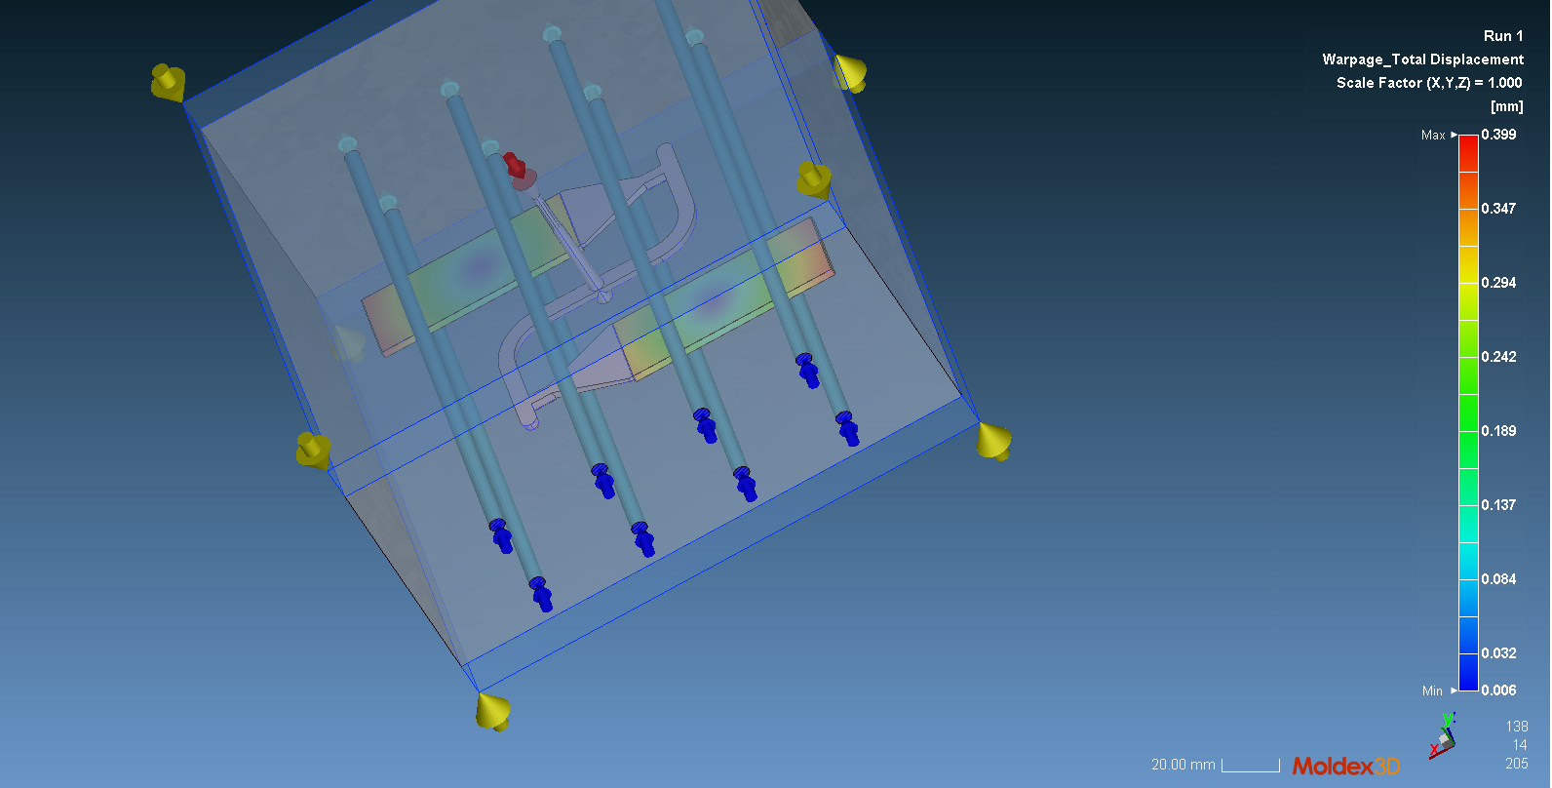
Deformation Factor |  | 1

